1번
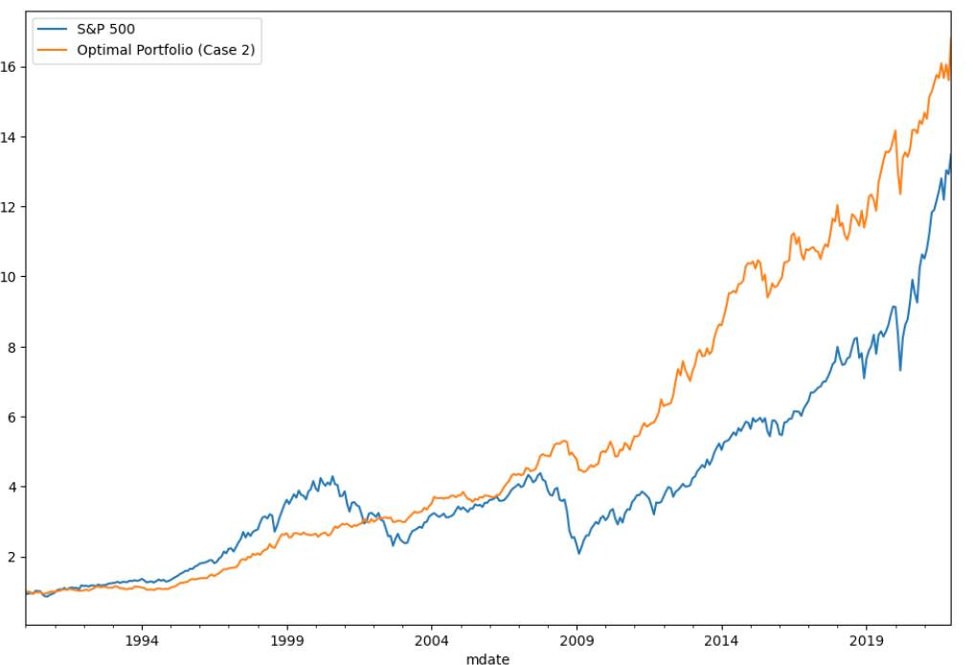
1.a
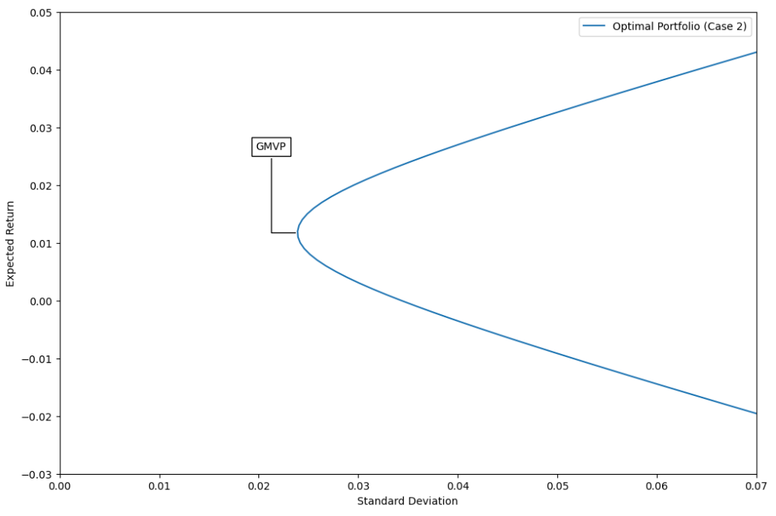

1.b
 | weights 시트 w1b column 참고

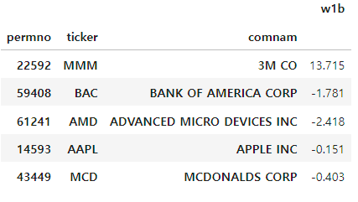

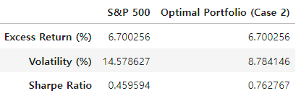
1.c

1.d | The portfolio follows the benchmark well, but the portfolio tends to outpace the benchmark in terms of returns.

2번
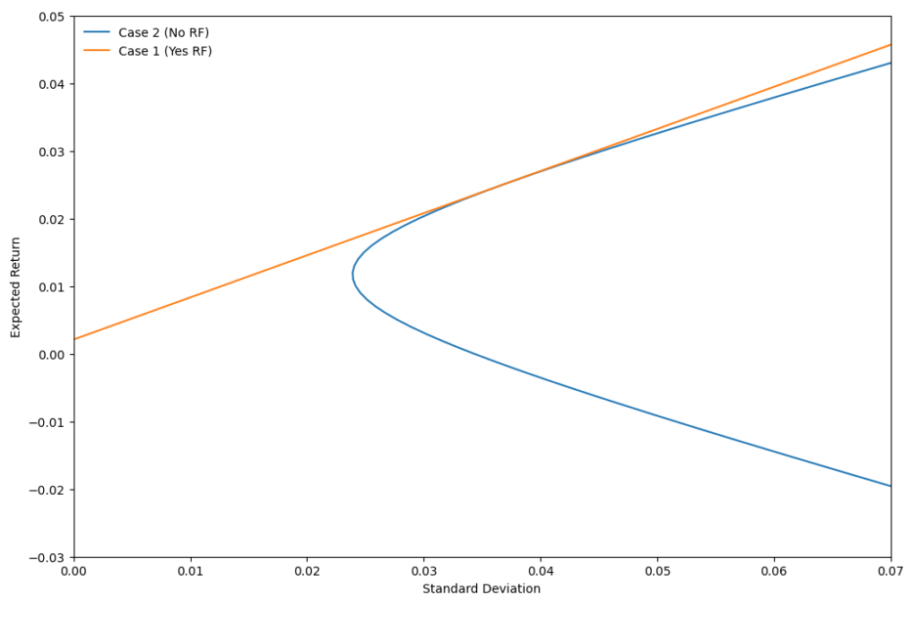
2.a

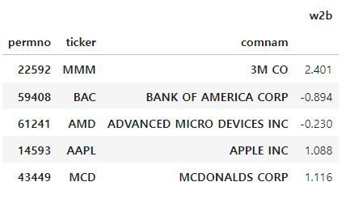
2.b
 | weights 시트 w2b column 참고

 | rf 보유 비중은 0.7577

2.c
 |  | I n Case1, there is no borrowing constraints, so portfolio of case 1 has higher Return and
 |  | lower volatility, so has higher Sharpe Ratio.

2.d

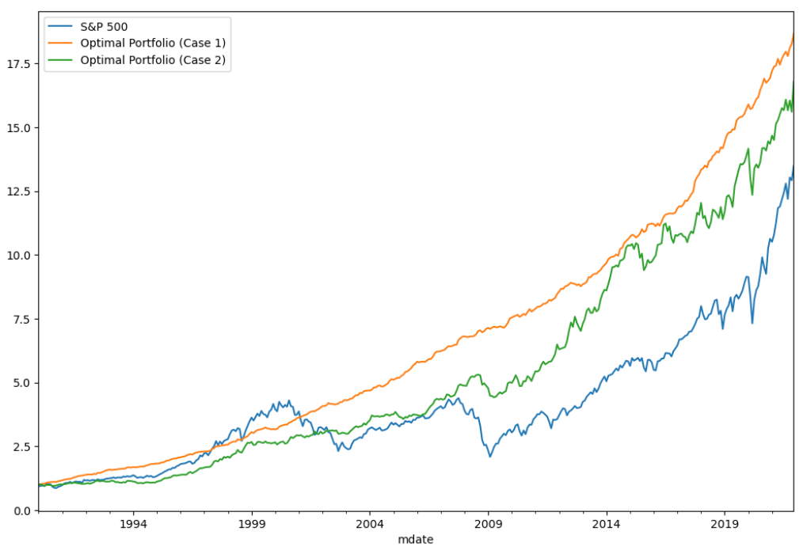

 |  |  | In both cases, benchmarks are well followed and higher returns are show n. However, the
 |  |  | portfolio in the absence of borrowing constraints outperforms the portfolio's return in the
 |  |  | presence of borrowing constraints.

3번
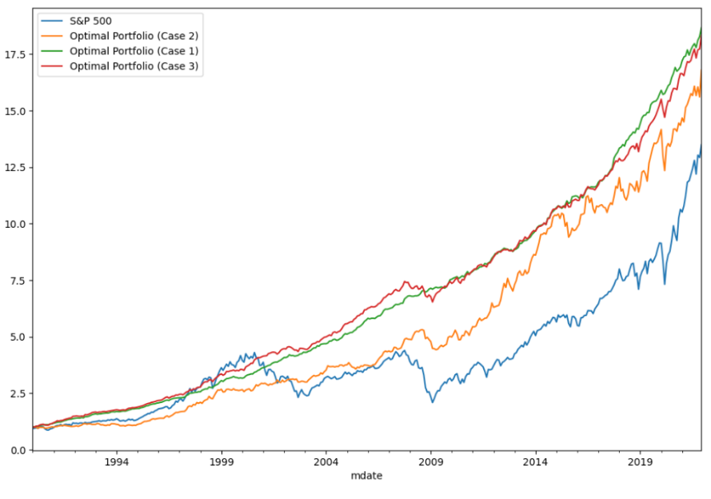
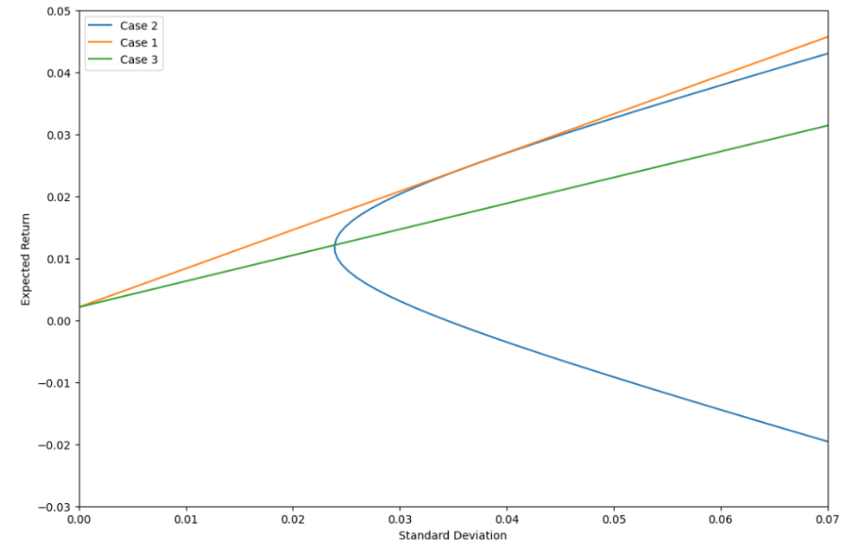
3.a

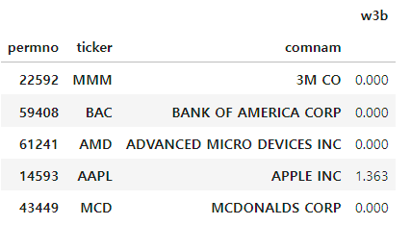
3.b
 | weights 시트 w3b column 참고

 | rf 보유 비중은 0.641

3.c |  | In case 3, there is no borrowing constraint, but short selling constraints.
 |  | So, when compare with Case2, which has borrowing constraints, portfolio of Case3 has
 |  | higher return, lower volatility and higher sharpe ratio.
 |  | But, when compare with Case1, which h as no constraints, portfolio of Case3 has lower return,
 |  | higher volatility and lower sharpe ratio.

3.d
 | If there are no restrictions, the cumulative return is the highest, and after that, if there are
 | only short selling restrictions and no borrowing restrictions, the cumulative return is high er
 | than the case w here there are no short selling restrictions but borrowing restrictions.

4번
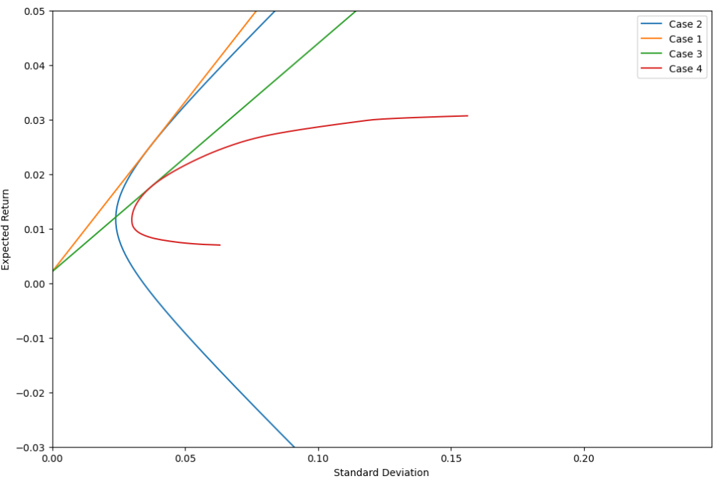
4.a
 |  | If there are lesser constraints in the cases, their efficient frontiers expand.

4.b
 | weights 시트 w4b column 참고

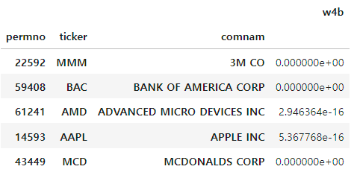

4.c

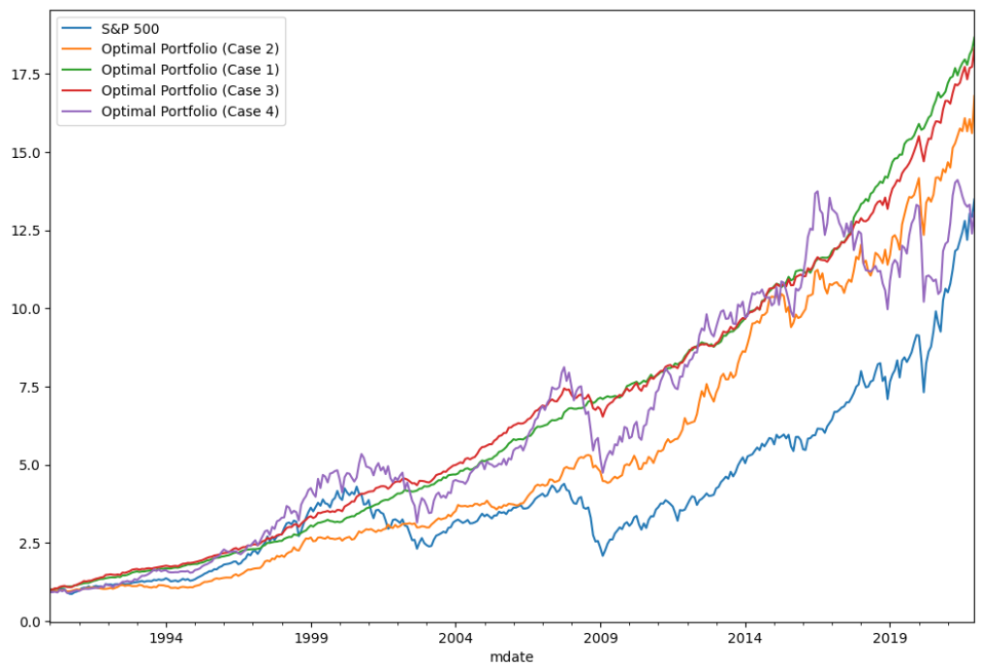
 |  |  | ➔ Return of portfolio
4.d |  |  | No Constraint > Short selling constraint>borrowing constraint> all constraint

 |  |  | ➔ Volatility of portfolio
 |  |  | No Constraint < Short selling constraint<borrowing constraint< all constraint

 |  |  | ➔ Sharpe ratio of portfolio
 |  |  | No Constraint > Short selling constraint>borrowing constraint> all constraint

5번
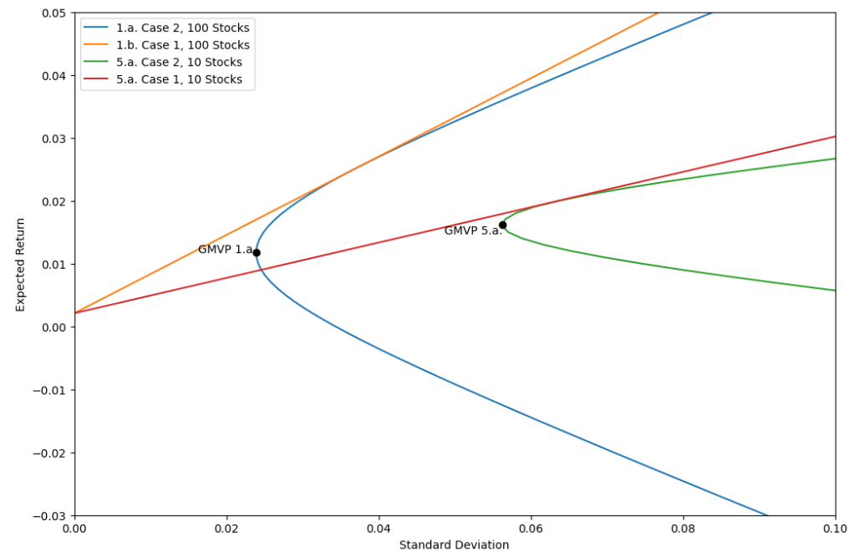
5.a

 | More amount of stocks provides better diversification benefit.

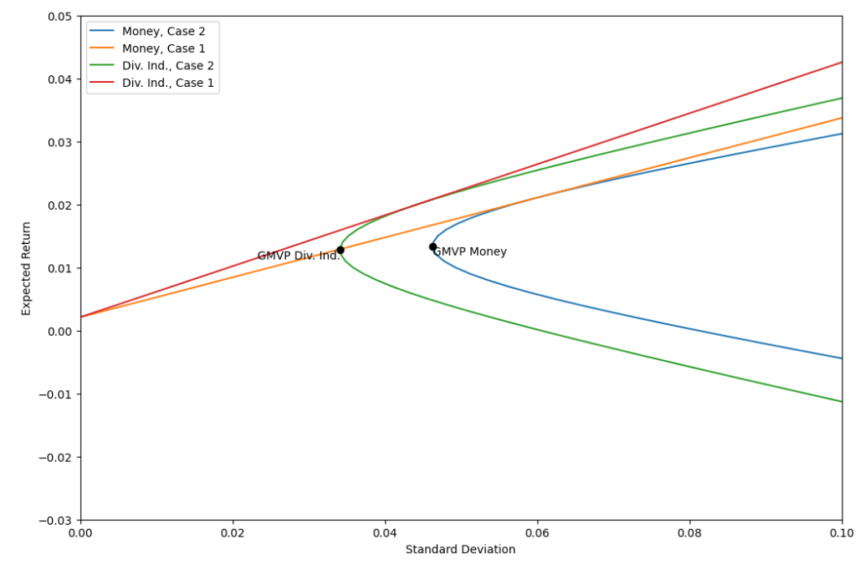
5.b

 | Diversed industry gives better risk-return profile.

